Full Adder
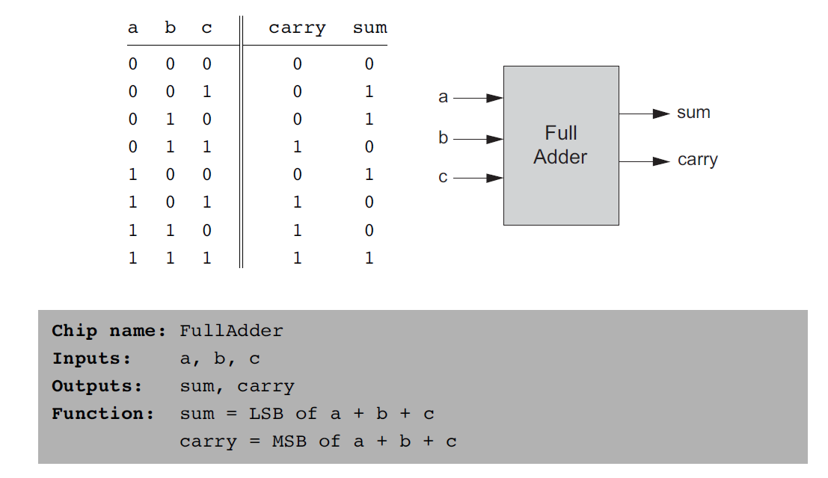
 |  |  |  |  | Sum
a | b | c | carry | sum |  |  |  | Final |  | and | and | and | or | or | OR | final
0 | 0 | 0 | 0 | 0 | FALSE | 0 | FALSE | 0 | TRUE | FALSE | FALSE | FALSE | FALSE | FALSE | FALSE | 0 | TRUE
0 | 0 | 1 | 0 | 1 | FALSE | 0 | TRUE | 1 | TRUE | FALSE | FALSE | FALSE | FALSE | FALSE | FALSE | 0 | TRUE
0 | 1 | 0 | 0 | 1 | TRUE | 1 | TRUE | 1 | TRUE | FALSE | FALSE | FALSE | FALSE | FALSE | FALSE | 0 | TRUE
0 | 1 | 1 | 1 | 0 | TRUE | 1 | FALSE | 0 | TRUE | FALSE | TRUE | FALSE | TRUE | TRUE | TRUE | 1 | TRUE
1 | 0 | 0 | 0 | 1 | TRUE | 1 | TRUE | 1 | TRUE | FALSE | FALSE | FALSE | FALSE | FALSE | FALSE | 0 | TRUE
1 | 0 | 1 | 1 | 0 | TRUE | 1 | FALSE | 0 | TRUE | FALSE | FALSE | TRUE | FALSE | TRUE | TRUE | 1 | TRUE
1 | 1 | 0 | 1 | 0 | FALSE | 0 | FALSE | 0 | TRUE | TRUE | FALSE | FALSE | TRUE | FALSE | TRUE | 1 | TRUE
1 | 1 | 1 | 1 | 1 | FALSE | 0 | TRUE | 1 | TRUE | TRUE | TRUE | TRUE | TRUE | TRUE | TRUE | 1 | TRUE

